Front Cover
Our bravest and best
2026 Roll of Honour
Awards issued between
1 January 2025 and 31 December 2025
(Updated 29 June 2026)

scouts.org.uk/awards
#SkillsForLife

Introduction
Saying thank you

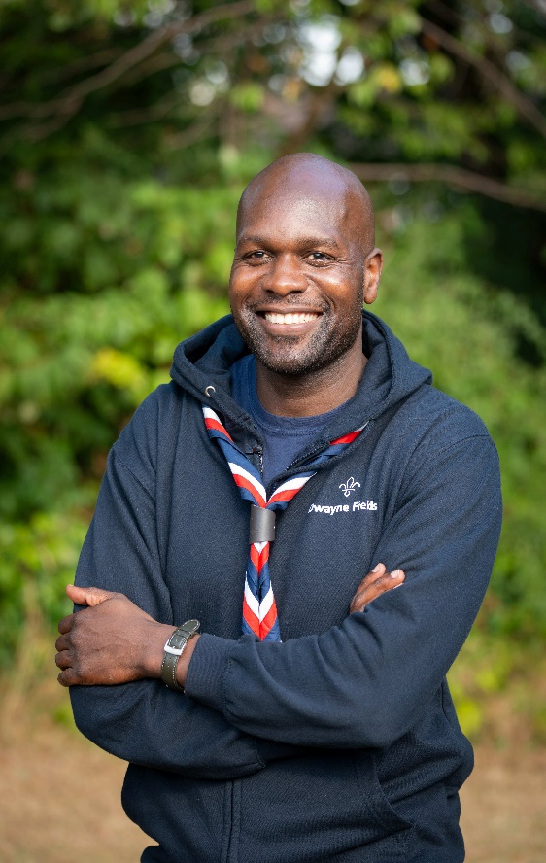
Volunteering is kindness in action.
In Scouts, we see this every week. That’s why I’m so proud of our team of 150,000 adult volunteers. You give your time and talents so young people can thrive.
This year, we’re recognising another exceptional group of volunteers who’ve gone above and beyond in so many ways.
All of you have contributed something special – whether that’s passing on your wisdom, experience or expertise, or simply giving your encouragement and support.
When we’re so busy, it’s often hard to see the impact we’re making. However, when we see our young people grow into the confident, generous leaders of the future, we know we’re truly making a difference. Kindness costs nothing – but volunteers like you, are priceless.
It’s also so good to see young people being honoured with gallantry and meritorious conduct awards. Their stories are always inspiring and it’s a privilege to meet many of them at our day of Celebration and Achievement at Windsor in April.
A huge thank you and well done for all you do.
Dwayne Fields
Chief Scout
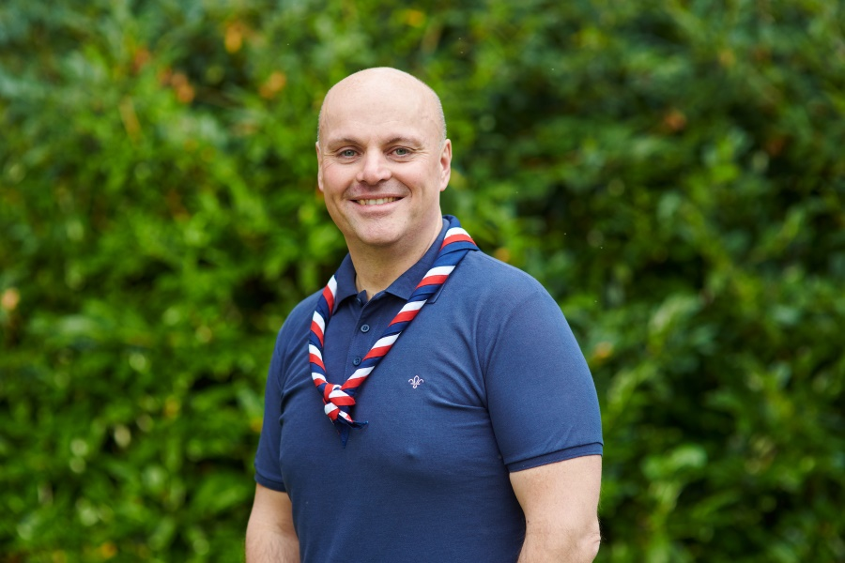
A moment to pause and say thank you.
In Scouts we’re always moving forward, planning our next adventure.
But it’s vital too, that we take a moment to pause and reflect on the astonishing difference we make as volunteers. Together we genuinely change lives for the better.
Each week, little by little, we fill young lives with hope and sense of possibility. We help young people build skills and friendships for life – including those courageous young people receiving awards this year.
That’s why it's vital we recognise and celebrate the fantastic work you do.
As I travel around the UK I meet so many inspiring people, and it’s heartening to see the name of some of these in this year’s Roll of Honour. You are the people who make Scouting possible, and we never take that for granted.
Thank you to each and every volunteer who has supported us this year, and especially to those we’re honouring this year.
We’re lucky to have you at our side.
Carl Hankinson
UK Chief Volunteer

Award Explanations
Gallantry Awards

In 1908, Baden-Powell introduced awards to recognise members for acts of heroism.
Over the years, the name and design of these awards have changed many times, but Gallantry Awards are still given today for the same reason: to recognise members for their bravery.

The Bronze Cross
Awarded for acts of bravery in the face of danger where life has been at extraordinary risk.
(No Bronze Cross award recipients in 2025)
The Silver Cross
Awarded for acts of bravery in the face of danger where life has been at considerable risk.
(No Silver Cross award recipients in 2025)
The Gilt Cross
Awarded for acts of bravery in the face of danger where life has been at moderate risk.

Meritorious Conduct Awards

In 1908, Baden-Powell introduced awards to recognise outstanding character, conduct, perseverance or initiative.
Over the years, the name and design of these awards have changed many times, but Meritorious Conduct Awards are still given today for the same reason: to recognise those who demonstrate these impressive qualities.

The Medal for Meritorious Conduct
Awarded for meritorious conduct of an exceptionally high standard.
The Chief Scout's Commendation for Meritorious Conduct
Awarded for meritorious conduct of a high standard.

Other Awards

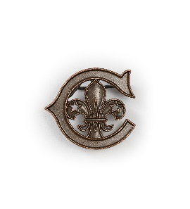
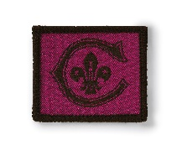
The Cornwell Scout Badge
Scout John ‘Jack’ Travers Cornwell joined the Royal Navy in 1915. Seriously injured during the Battle of Jutland in May 1916, he chose to stay at his post waiting for orders, until he was relieved at the end of battle. Upon reaching the port, he was transferred to a hospital in Grimsby where he died three days later.
For his bravery, he was posthumously awarded the Victoria Cross and the highest Gallantry award a Scout could earn, the Bronze Cross. The Cornwell Scout Badge was introduced in his memory. Today, it’s presented to Scouts under the age of 25 who’ve shown immense courage in challenging circumstances.
The Chief Scout's Personal Award
This award was introduced in 1982 by Chief Scout Major General Michael Walsh. Today, the Chief Scout and the National Awards Advisory Group work together to recognise those who’ve excelled in a unique way that’s not covered by any other award criteria.

World Scouting

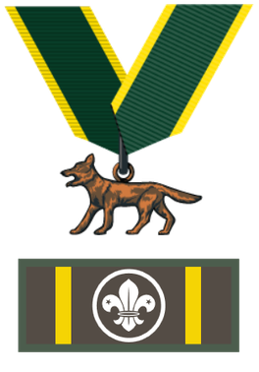
The Bronze Wolf
The Bronze Wolf is the only award presented by the World Scout Committee, and recognises outstanding service by an individual to the World Scout Movement.
The award was established by the International Committee in Stockholm in 1935. The first person to be awarded the Bronze Wolf was the Chief Scout of the World, Lord Baden-Powell.

Good Service Awards

For many years, Scouts has recognised the quality of adult service. The first award of this kind – then known as the Gilt Medal of Merit – was made available by Baden-Powell in 1915. Today, Good Service Awards are presented to thank, acknowledge and celebrate outstanding members and associate members.

Silver Wolf
This award is the unrestricted gift of the Chief Scout.
It's only awarded for service of a most exceptional nature.
It's not normally awarded until at least a Silver Acorn has been previously gained and a further prolonged period of exceptional service has been achieved. In practice, it's rarely awarded for less than 30 years’ service although, because it is the Chief Scout’s unrestricted gift, no length of service is prescribed.
The Bar to the Silver Acorn
Awarded after at least five years' of similarly distinguished service after receiving the Silver Acorn.

The Silver Acorn
Awarded after at least 20 years’ service, which should be specially distinguished and appreciably better than outstanding.
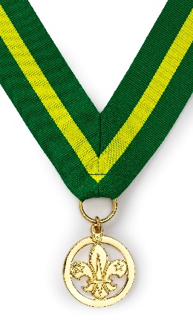
The Bar to the Award for Merit
Awarded after at least five years of further outstanding service after receiving the Award for Merit.
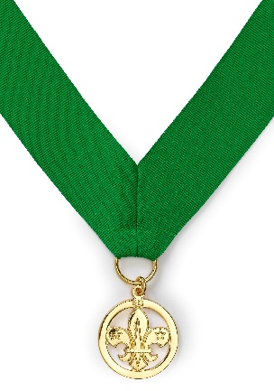
The Award for Merit
Awarded for outstanding service. It implies keen, conscientious, imaginative and dedicated service over a sustained period, of at least 10 years' duration.

The Chief Scout’s Commendation for Good Service
Awarded in respect of not less than five years' good service, which stands out. It should be regarded as the Chief Scout's recognition of the very real contribution made to the Scouts by the individual concerned.

National Honour Explanations
National Honours

The King’s Birthday and New Year’s Honours Lists recognise the achievements of a wide range of extraordinary people across the United Kingdom.

Knight/Dame
Awarded for having a major contribution in any activity, usually at national level. Their contribution is seen as inspirational and significant, requiring commitment over a long period of time.
Commander of the Order of the British Empire (CBE)
Awarded for having a prominent but lesser role at national level (compared to a Knight or Dame), for distinguished, innovative contribution to any area.
Order of the British Empire – Officers of the Order of the British Empire (OBE)
Awarded for having a major local role in any activity, including those whose work has made them known nationally in their chosen area.

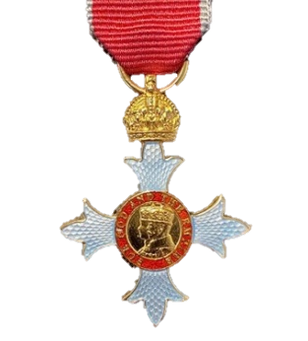
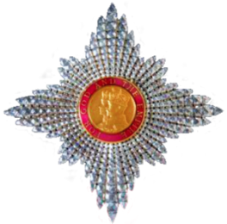

Order of the British Empire – Members of the Order of the British Empire (MBE)
Awarded for an outstanding achievement or service to the community that has had a long-term, significant impact and stands out as an example to others.
Order of the British Empire – Medallist of the Order of the British Empire (BEM)
Awarded for a ‘hands-on’ service to the local community.
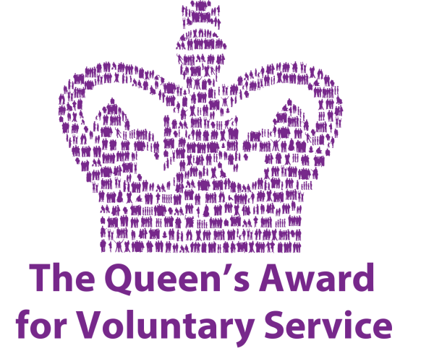
King’s Award for Voluntary Service (KAVS)
An annual award given to celebrate the outstanding work of local volunteer groups across the UK.

National Honours continued

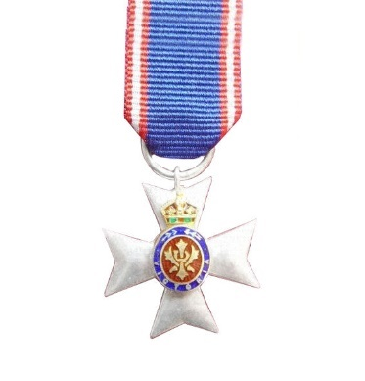
Commander of the Royal Victorian Order (CVO) or Member of the Royal Victorian Order (MVO)
Recognises distinguished personal service to the monarch, members of the royal family, or to any viceroy or senior representative of the monarch.
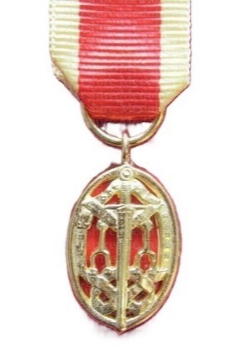
Knight Bachelor (Kt)
The basic rank granted to a man who has been knighted by the monarch but not inducted as a member of one of the organised orders of chivalry.

The King’s Ambulance Service Medal (KAM)
Recognises those who have rendered distinguished service and devotion to duty as members of the NHS ambulance service.
The King’s Police Medal (KPM)
Awarded to police in the United Kingdom for gallantry or distinguished service.
The King’s Gallantry Medal (KGM)
Awarded to civilians for acts of exemplary bravery.

Wrap up
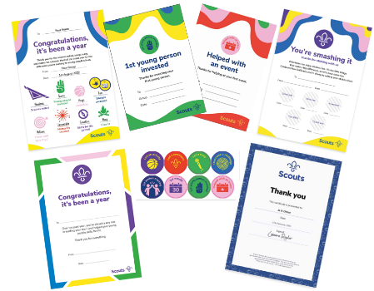
Wrap up

Future recognition - going above and beyond
Do you know an inspirational volunteer who goes above and beyond what is expected of them? If you’d like to nominate someone for a Good Service Award, here’s what you need to do:
- Log into 'My Membership'.
- Click 'Awards'.
- Click the blue 'Nominate' button for the relevant award.
- Search for the member.
- Fill out and then submit the nomination form.
Once approved and checked by UK Headquarters, awards are distributed to Counties (or above) on a quarterly basis.
National Honour nominations
Many volunteers go above and beyond, but some deserve a little extra recognition. Why not consider nominating them for a National Honour?
From the Scouts National Honours webpage, you can also learn how to make a National Honour nomination or chat to the National Honours Subgroup for further support/guidance.

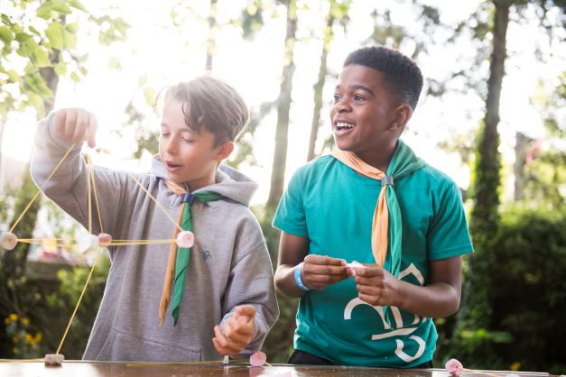

Future recognition - bravery
Do you know a young person or volunteer who's show courage in adversity and quick thinking in the face of danger. If so, you might want to nominate them for a Meritorious Conduct or Gallantry Award, the Cornwell Scout Badge or the Chief Scout’s Personal Award:
- Determine if nominee meets the criteria for a Meritorious Conduct/Gallantry award, the Cornwell Scout Badge or if you think they should be nominated for the Chief Scout’s Personal Award.
- Fill out a Meritorious Conduct, Gallantry, Cornwell Scout Badge & Chief Scout's Personal Award nomination form and forward it to the relevant individual for support.
- Once checked by UK Headquarters and if the award is approved by the National Awards Advisory Group, they're distributed to Counties (or above) on a bi-monthly basis.

Awards training
Don’t know the difference between the Good Service Awards? Never heard of a Cornwell Scout Badge? Want to know more about the process? Need help in writing citations? Email the Scout Awards Team to set up a training session to suit your needs.

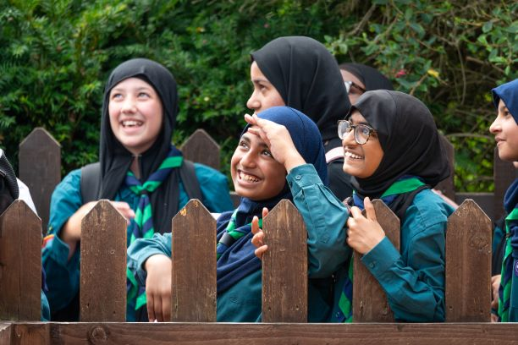

Wrap up continued

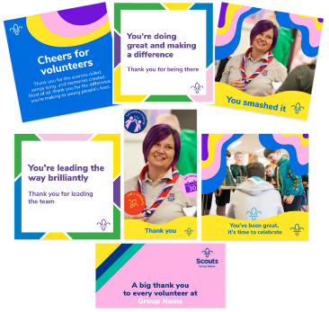
Celebrating success
Don’t forget that ideas and other resources to thank/celebrate volunteers are available via the Scouts website and the Brand Centre.
Whether you’re looking to say a simple ‘thank you,’ or just ‘cheers for being there’, there's something for every occasion. From cards and social media posts to stickers and certificates, you can celebrate your volunteers’ achievements and make their day.
As well as our formal awards, these resources are great for celebrating the everyday achievements/time our amazing volunteers give us. Marking special moments, like a volunteer’s first camp, or their first year of volunteering, will show how much you appreciate what they do and encourage them to keep volunteering.
Feedback
The Scout Awards Team really appreciate hearing your feedback, letting us know the things we're doing well, and ideas on possible improvements.
To let us know your own thoughts on the Roll of Honour or any other award related matter, please fill out the Awards feedback form.

